Sheet1
Jim Weir MECH-14 Fall Semester 2016

Manufacturing Parts List (MPL)

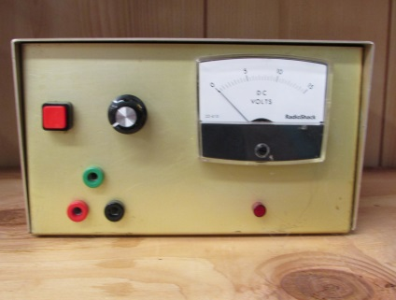 |  |  |  | 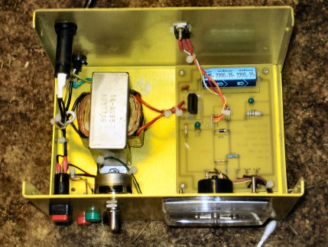

PC Board Parts

Part Description |  | Value | Units | Vendor | Vendor p/n | Qty | Cost each | Ext.

31-Aug-16 | Rev: A | jw

